Q5
Q5 | The file Stock Price NVDA MSFT.xlsx contains daily closing prices for technology companies Nvidia (NVDA) and Microsoft (MSFT) in the past year (2024/8-2025/8).

 | (a) Develop a scatter diagram with NVDA stock price on the horizontal axis and MSFT stock price on the vertical axis. What appears to be the relationship between these two stock prices?
 | (b) Compute and interpret sample correlation coefficient. What does this value indicate about the relationship between these two stock prices.

a | There appears to be increasing positive relationship
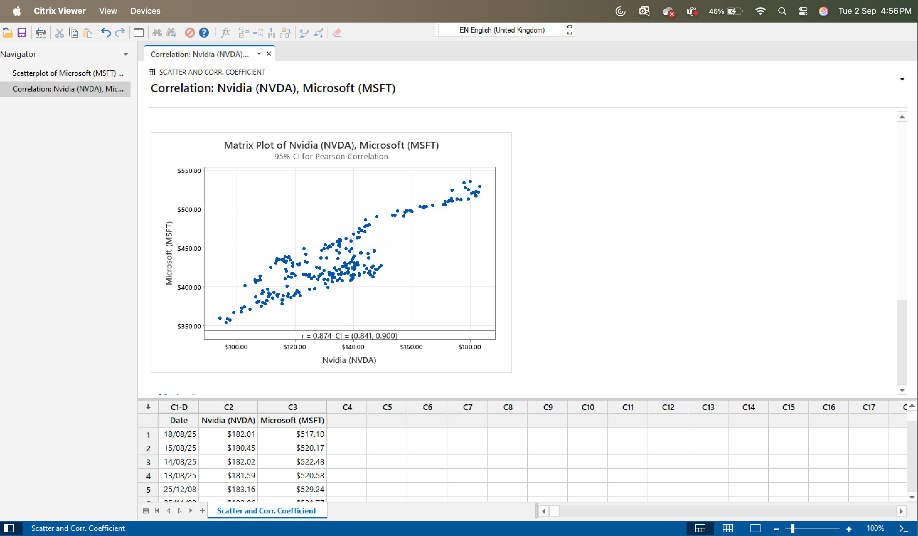

b | Correlation Coefficient
 | It appears to be positive relationship

